Sheet1
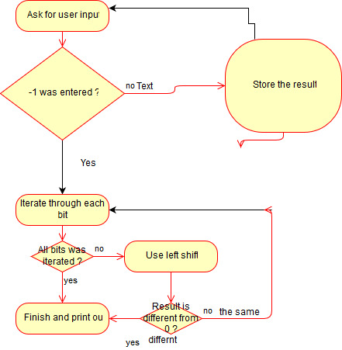
Questions | Answer Columns | Answer Columns | Answer Columns | Answer Columns
(1) Show the state of each of the status bits after each of the following assembly language instructions. Assume D0 is loaded with $A2C2B327 and that XNZVC = 00000 initially. | Description | XNZVC | D0 After (hex)
(1a) ASL.B #2, D0 | Shift two bit to the left of D0. Only take byte. Meaning the two byte on the right most of D0 | 01010 | 0xA2C2B39C
(1b) ASR.L #7, D0 | Shift 7 bits to the left. Take word size. Since this is Arithmetic, Save the significant bit when shifting | 01000 | 0xFF458566
(1c) LSL.B #3, D0 | Shift 3 bits to the left. Take byte size. Using logical shift | 10001 | 0xA2C2B338
(1d) ROL.W #1, D0 | Rotate to the left 1 bit. Take word size | 00001 (Not affected so initally is 0 => 0) | 0xA2C2664F
(1e) ROR.L #5, D0 | Rotate to the right 5 bit Take long size | 00000 | 0x3D161599

(2) Why do we not need the LSL operation on the 68K? What other instruction behaves similarly? | For shifting left, the arithmetic and logical one operate the same. Therefore, those 2 perform the same function
For shifting left, the arithmetic and logical one operate the same. Therefore, those 2 perform the same function
(3) What is the only difference between Arithmetic Shift Left and Logical Shift Left? | The LSL will clear the V flag. While the asl will clear or set the v flag based on the outcome
The LSL will clear the V flag. While the asl will clear or set the v flag based on the outcome
(4) What is the difference between ROL and LSL?

The ROL will rotate back whatever is in the front to the end if it reach the end. Where as the LSL simply replace them with 0

(5) 68K programming and fill in the blanks | Answers for Blanks
(5a) This is a program to read ____z____ | a starting address and and ending adrress
(5b) from _________ | 0x00007000
(5c) to ___________ | 0x00008000
(5d) and look for the ____x_______ in memory | x= data at $AA50, which is FF
(5e) If found, then the _____y_____ of the word is stored… | address (contents) of the word is stored in A2
(5d) The ____DESCRIPTION_____ algorithm assumes…. | affic of the CMP.B (A0),D1 assumes that FF is located on a word boundary

Since 5 and 6 are the same, they will have the same flow charts right below

6) Pattern Matching
(6a) Attach a screenshot of your flowchart here | Screenshot: attached below
(6b) Attach screenshots of your execution here | Screenshots: attached below
(6c) Submit all source and listing files.

(7) Cumulative Sum
(7a) Attach a screenshot of your flowchart here | Screenshot: attached below
(7b) Attach screenshots of your execution here | Screenshots: attached below
(7c) Submit all source and listing files.

Since I did question 8 before question 7. So my flow charts for these two will be the same. The source will also be
the same with changing to width and height. I will post different screenshots for 4x4 (number 7) and other
matrix multiplcation for question 8 to hightlight the different
(7) Matrix Multiplication
(7a) Attach a screenshot of your flowchart here | Screenshot: See below
(7b) Attach screenshots of your execution here | Screenshots: See below
(7c) Submit all source and listing files.

(8) Extended Matrix Multiplication
(8a) Attach a screenshot of your flowchart here | Screenshot: See below
(8b) Attach screenshots of your execution here | Screenshots: See below
(8c) Submit all source and listing files.

(9) Bonus Programming Problem
(9a) Attach a screenshot of your flowchart here | Screenshot: See below
(9b) Attach screenshots of your execution here | Screenshots: See below
(9c) Submit all source and listing files.

6a and 5

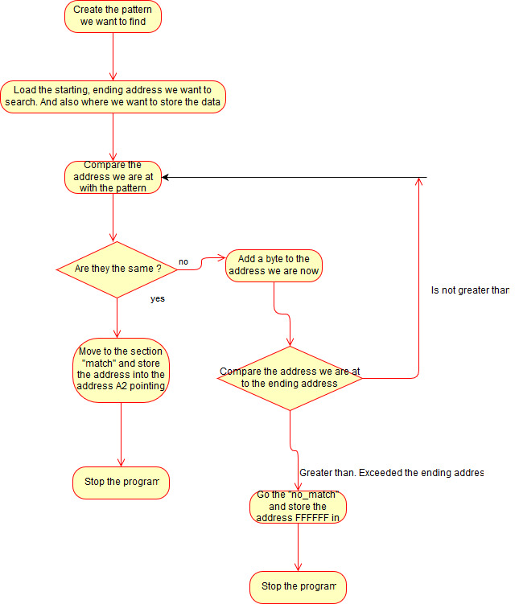

6b
This is after the program found the address that matching the pattern at D0 and stored them inside the address that A2 is holding |  | This is the content of the address that A2 is pointing to. As you can see, it has the addres 00007080 store in it
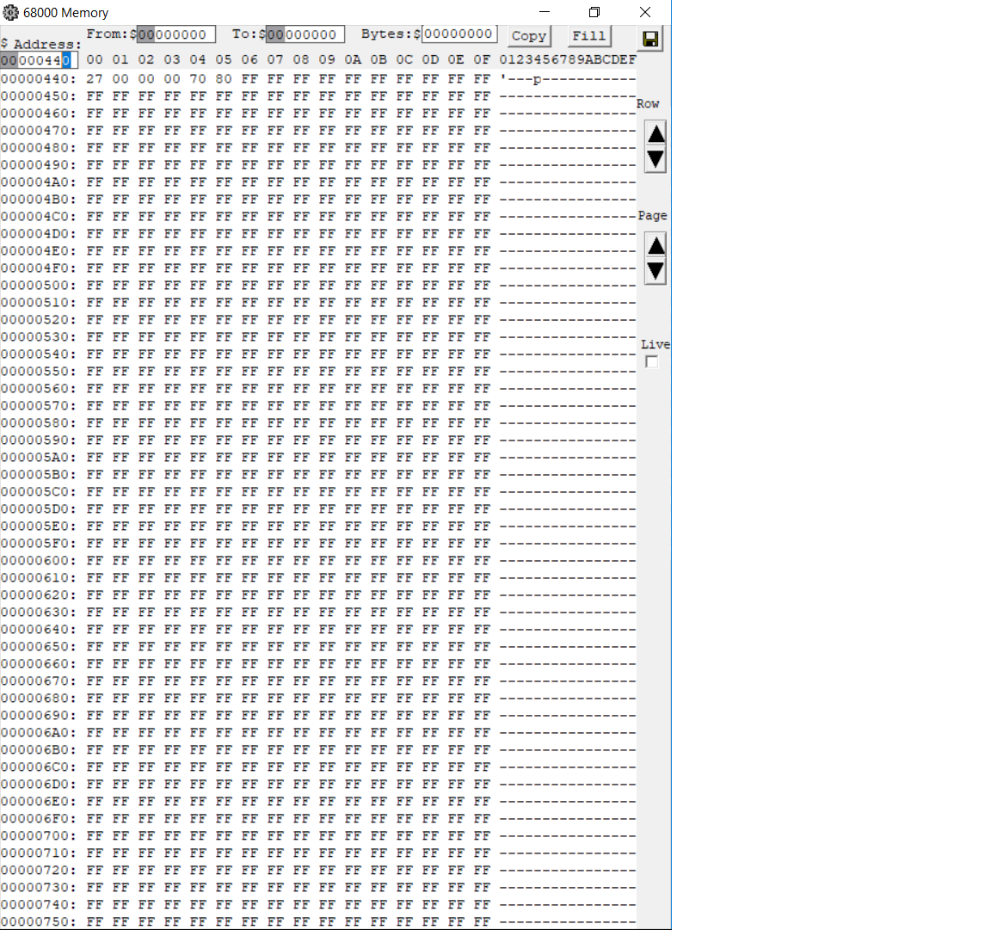

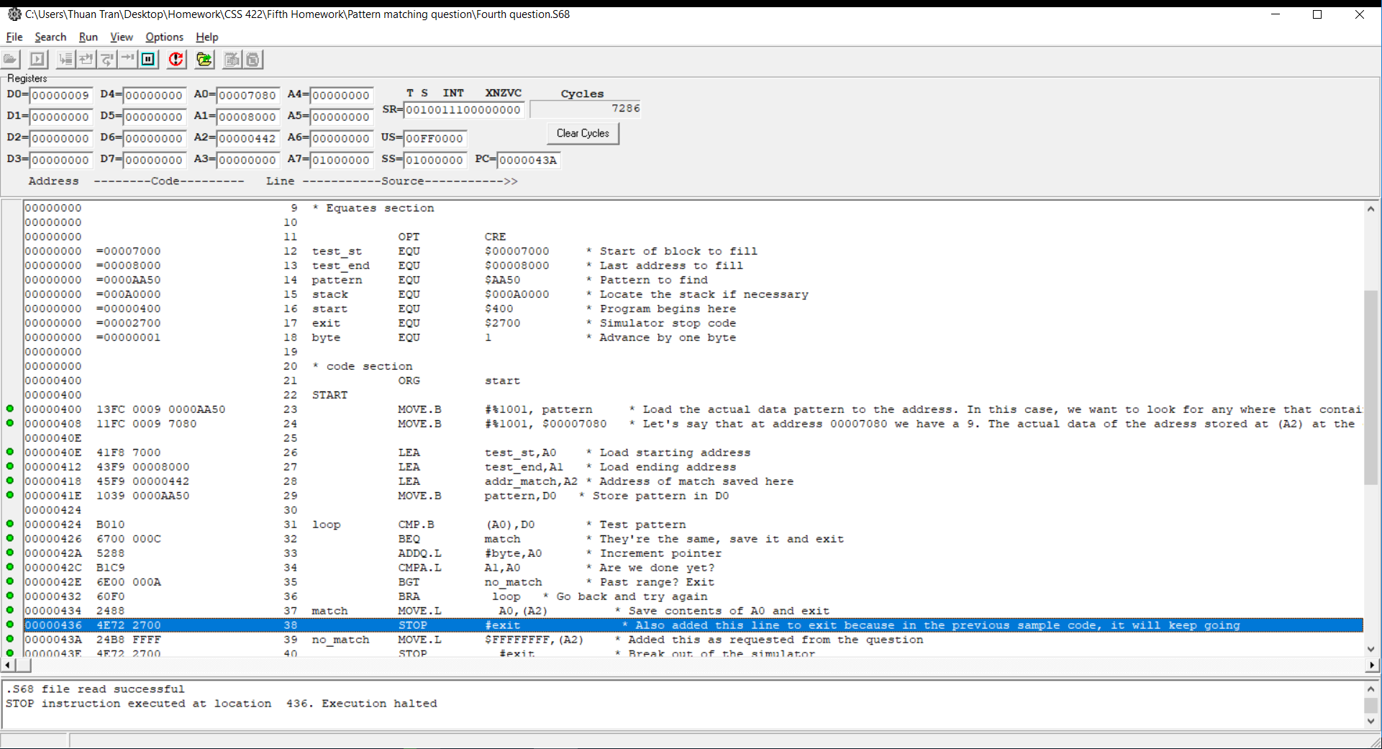

7) Cumulative sum
This is the output of the program. More to the right |  | This is the state of the program. Note that F600 at D1 = 62976

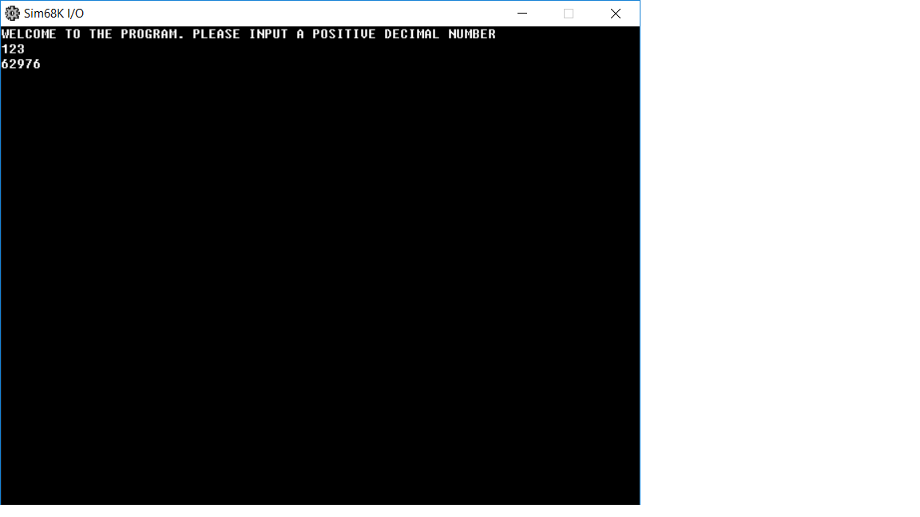
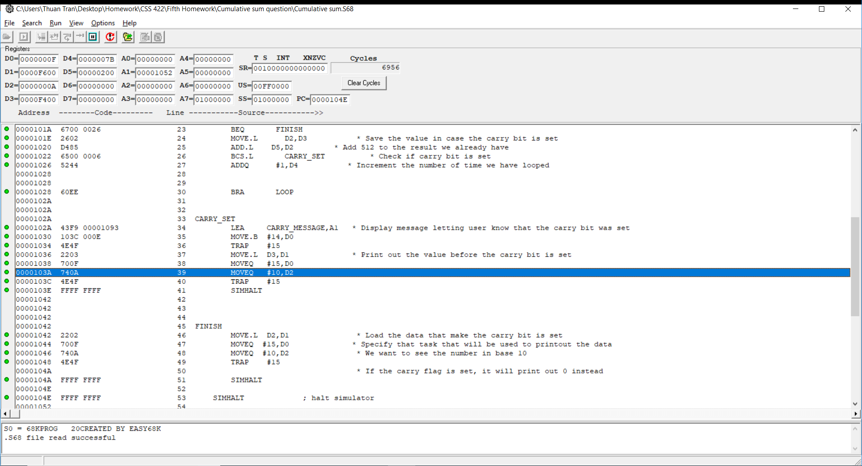

Flow chart

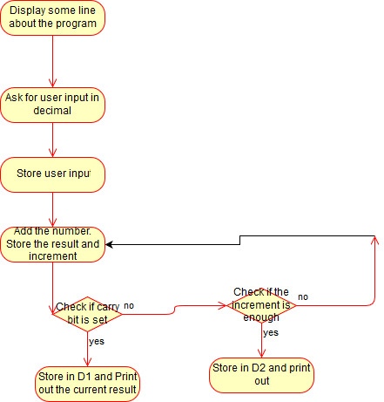

8) Both matrix problems
Flowchart
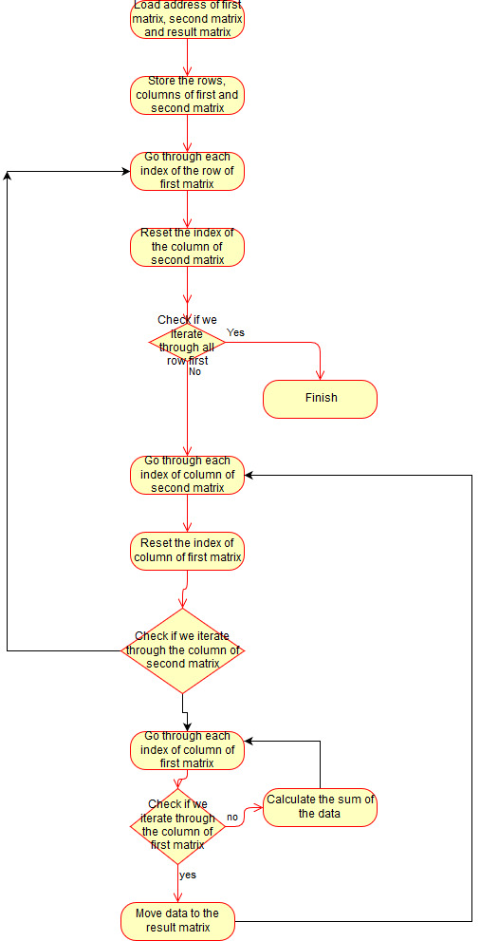

Screen shots for 4x4 matrix multiplication
This is the program state after the multiplication |  | This is the result after multiplication

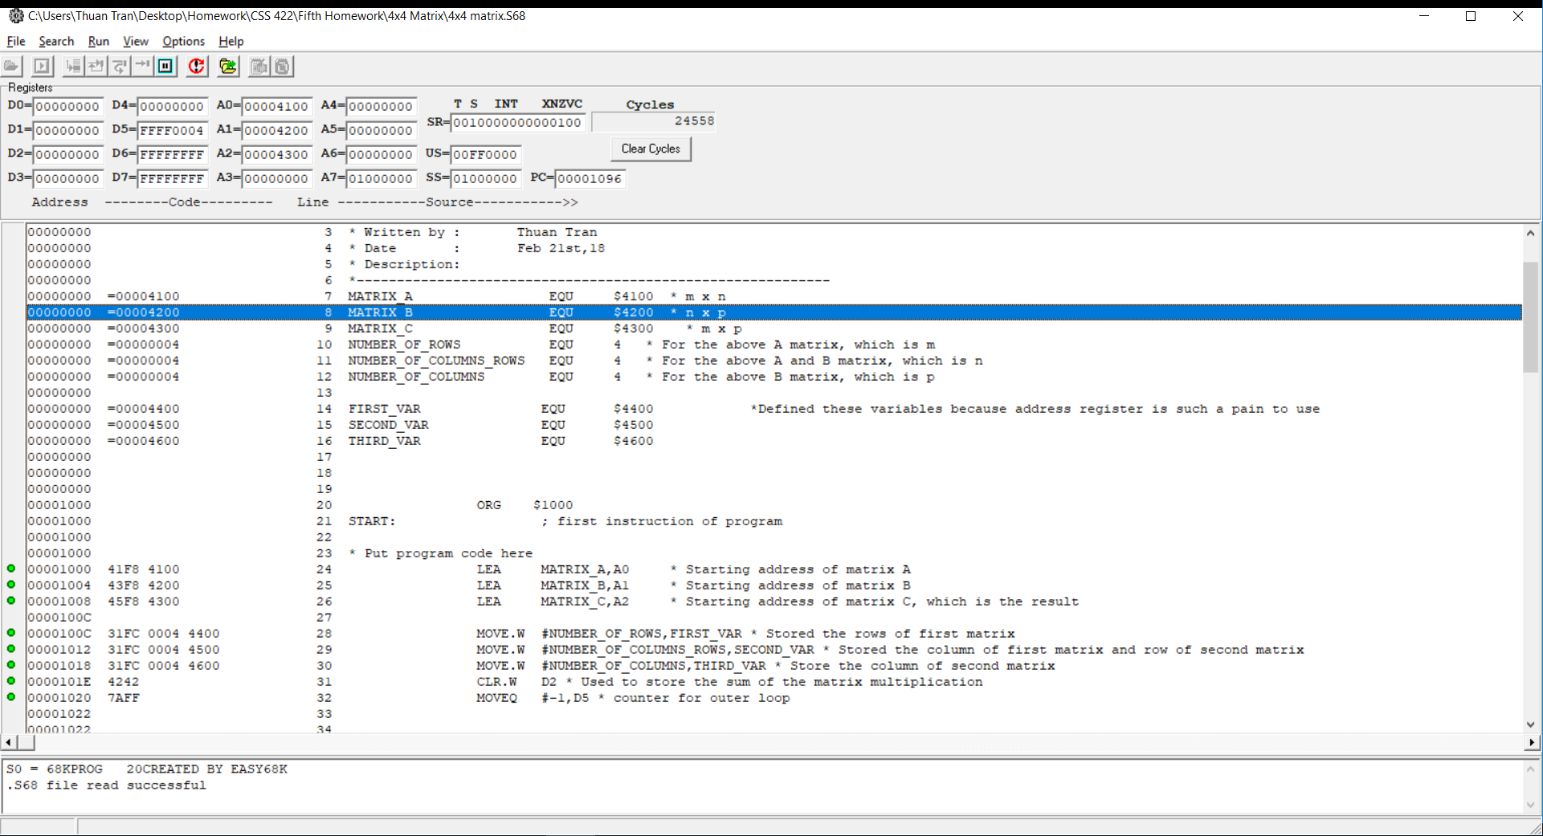
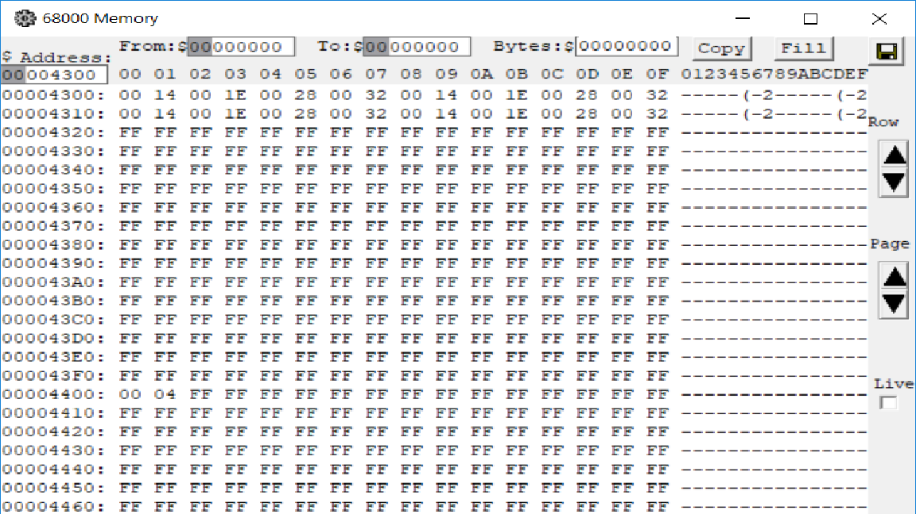

Screen shots for 5x3 matrix multiply 3x2 matrix

Program state after execution |  | memory result after execution

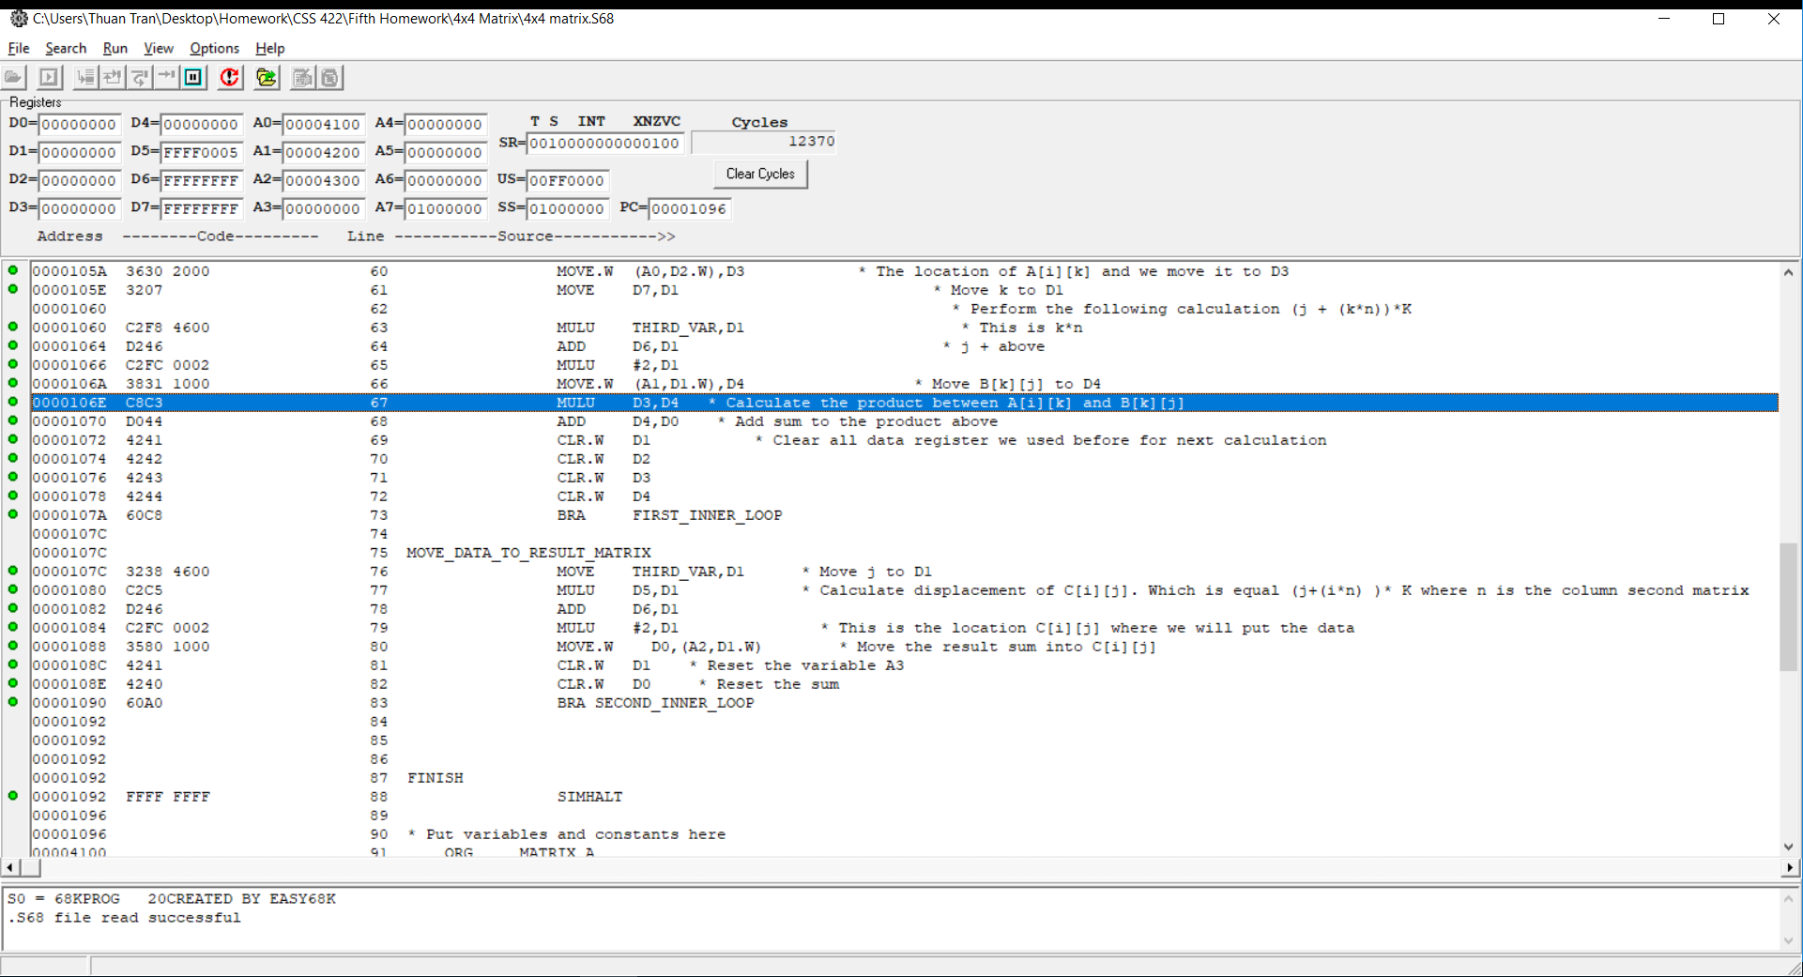
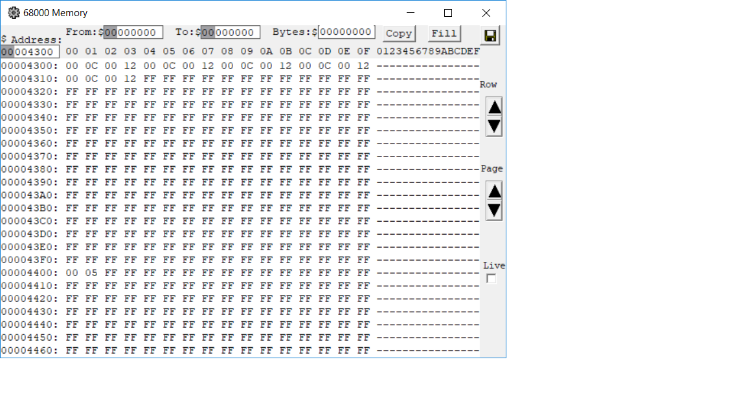

9. Extended problem
This is the program state. The input in this case is FE631200. The most significant bit is F ( =15) |  | This is the output
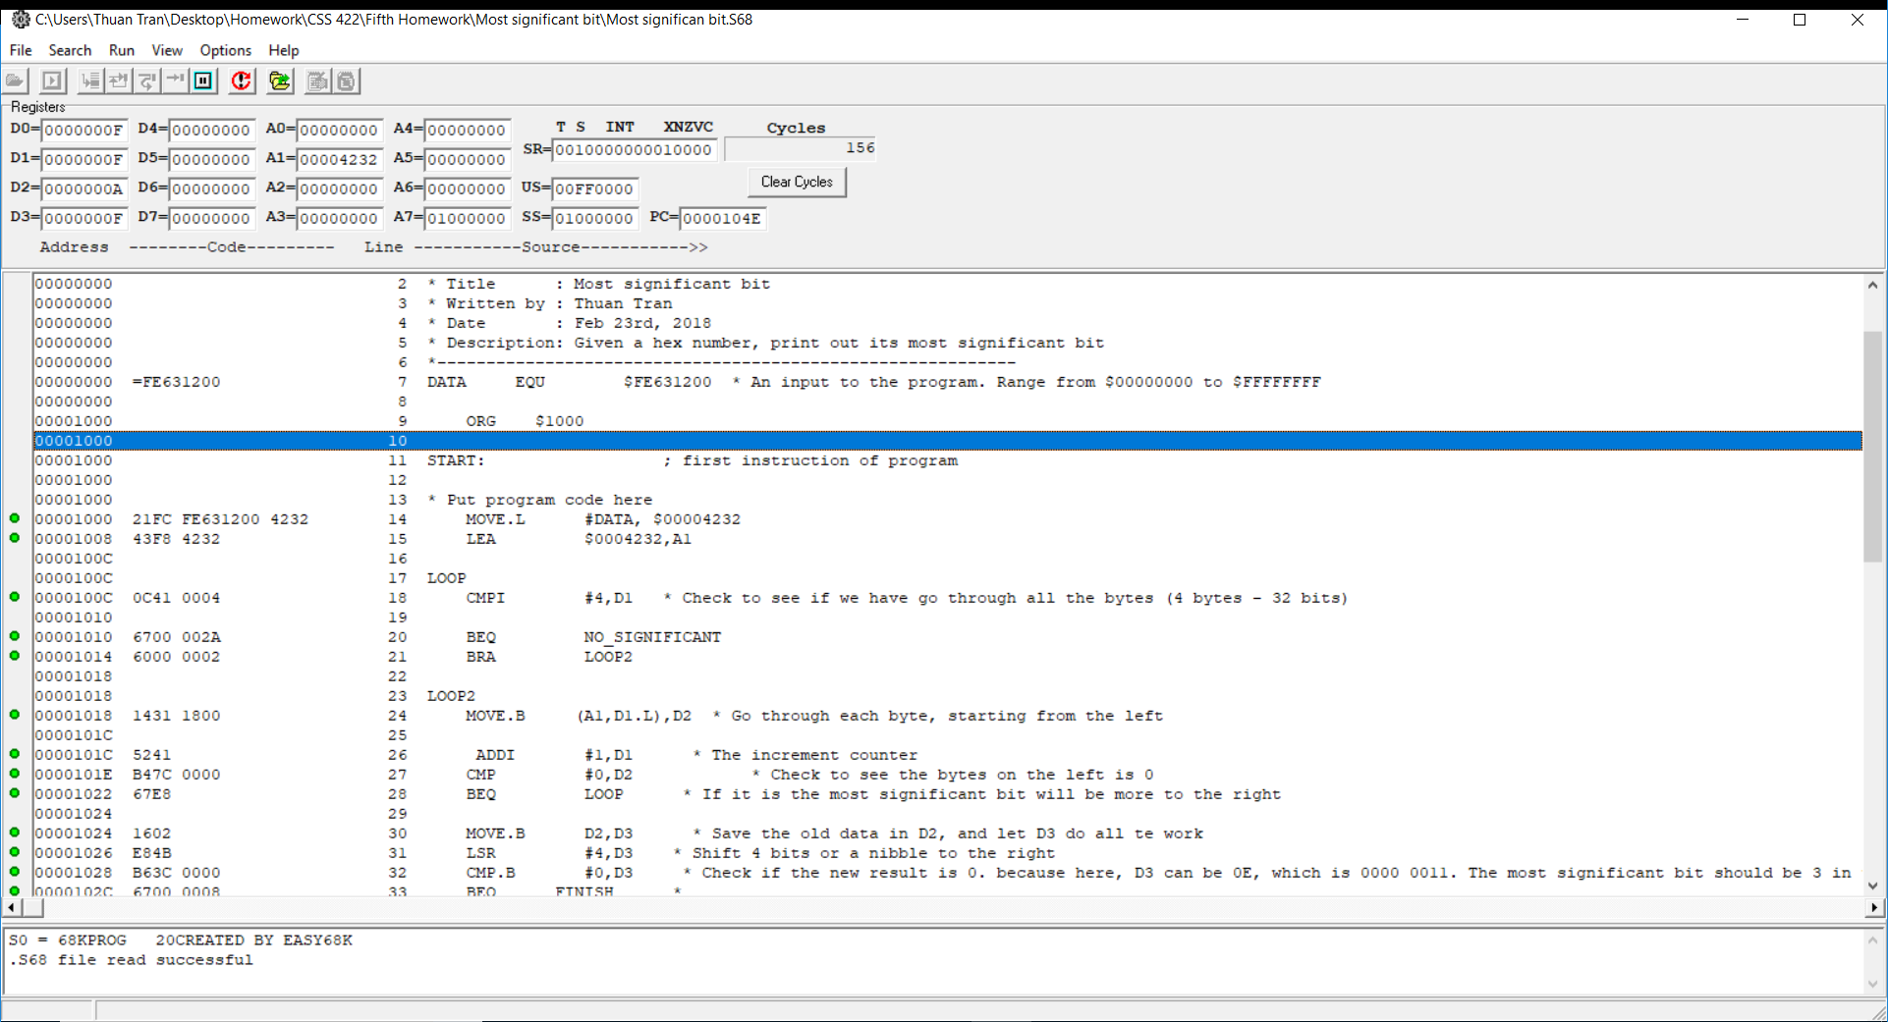


Flow chart

